Serviceability
 |  | AFCA complaint number |  | Total monthly income: $0.00 | Instructions: Please input the data available to you at the time of the loan application and identify: • whether the item is income or an expense • description of the item (such as PAYG income, rental income, living expenses) • amount on a monthly basis (net of tax) • explanation of how you calculated the ‘amount on a monthly basis’ • supporting documents upon which you obtained data (such as income tax return 2020, HPI June 2018) Please also complete the ‘Credit Facilities table’ in the next worksheet. Please save and return this information to AFCA as an Excel worksheet.
 |  | Loan approval date |  | Total monthly expenses: $0.00
 |  | Date this form completed |  | Deficiency: $0.00
Serviceability assessment
Income/Expense | Item description | Amount per month (net of tax) | Explanation of calculation | Supporting documents Please refer to attachments by filename and page number (eg “payslipXY.pdf” page 3)

Please note: this tool is provided for your convenience and is optional only.

AFCA use only
 |  | AFCA USE ONLY |  |  | Total monthly income: $0.00
 |  |  |  |  | Total monthly expenses: $0.00
 |  |  |  |  | Deficiency: $0.00
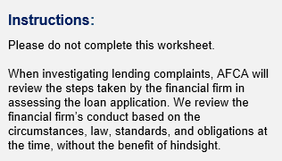
Serviceability assessment
Income/Expense | Item description | Amount per month (net of tax) | Explanation of calculation | Supporting documents Please refer to attachments by filename and page number (eg “payslipXY.pdf” page 3) | Reason for difference between FF and AFCA assessment

